SUMMARY
HOME APPLIANCES SALES DATA
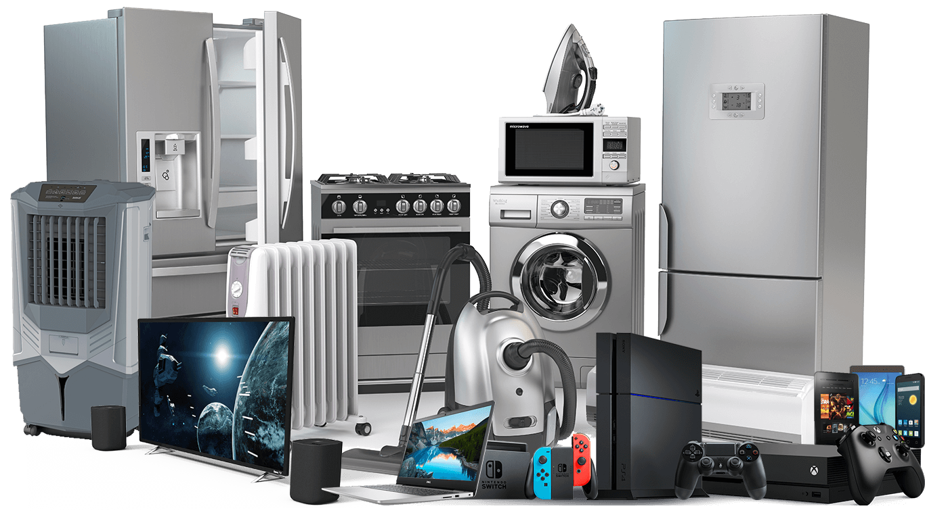
TOTAL SAES 10145197
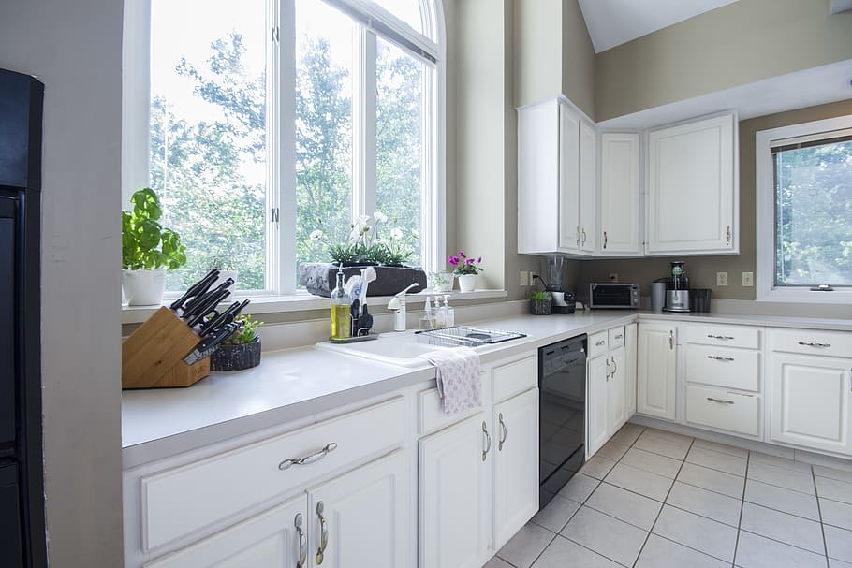



Number of employees working on shift wise


No. of employee working on shift wise
 | Day Shift | Night Shift | Part Time | Rotational Shift
Accounts Department | 4 | 2 | 2 | 0
Creative Department | 2 | 2 | 3 | 0
Environmental Department | 3 | 4 | 5 | 0
Facilities/Engineering Department | 3 | 3 | 4 | 0
HR Department | 3 | 4 | 2 | 0
IT Department | 7 | 2 | 3 | 1
Manufacturing Department | 0 | 2 | 4 | 0
Production Department | 2 | 4 | 0 | 0
Quality Department | 4 | 3 | 2 | 1
Training Department | 2 | 3 | 1 | 1



Top 5 sales occured in India

Sales distrinbution on India

Products and its quantity
top 5 sales state
 | Rajasthan | Odisa | Nepal | Lucknow | Haryana
sales | 1596546 | 1586616 | 684150 | 1356964 | 639718

distribution
 | Count of State
Andhra Pradesh | 4
Arunachal Pradesh | 4
Bihar | 4
Chhattisgarh | 4
Goa | 4
Gujarat | 4
Haryana | 4
Himachal Pradesh | 4
Hyderapad | 8
Jammu & Kashmir | 4
Karnataka | 6
Lucknow | 8
Nepal | 4
Odisa | 5
Rajasthan | 7
Tamil Nadu | 7
West Bengal | 7

PIVOT ANALYSIS
No. of employee working on shift wise
Count of Emp Shift | Column Labels
Row Labels | Day Shift | Night Shift | Part Time | Rotational Shift | (blank) | Grand Total | Department | Day Shift | Night Shift | Part Time | Rotational Shift | Grand Total
Accounts Department | 4 | 2 | 2 |  |  | 8 | Accounts Department | 4 | 2 | 2 | 0 | 8
Creative Department | 2 | 2 | 3 |  |  | 7 | Creative Department | 2 | 2 | 3 | 0 | 7
Environmental Department | 3 | 4 | 5 |  |  | 12 | Environmental Department | 3 | 4 | 5 | 0 | 12
Facilities/Engineering Department | 3 | 3 | 4 |  |  | 10 | Facilities/Engineering Department | 3 | 3 | 4 | 0 | 10
HR Department | 3 | 4 | 2 |  |  | 9 | HR Department | 3 | 4 | 2 | 0 | 9
IT Department | 7 | 2 | 3 | 1 |  | 13 | IT Department | 7 | 2 | 3 | 1 | 13
Manufacturing Department |  | 2 | 4 |  |  | 6 | Manufacturing Department | 0 | 2 | 4 | 0 | 6
Production Department | 2 | 4 |  |  |  | 6 | Production Department | 2 | 4 | 0 | 0 | 6
Quality Department | 4 | 3 | 2 | 1 |  | 10 | Quality Department | 4 | 3 | 2 | 1 | 10
Training Department | 2 | 3 | 1 | 1 |  | 7 | Training Department | 2 | 3 | 1 | 1 | 7
(blank)
Grand Total | 30 | 29 | 26 | 3 |  | 88 | Grand Total | 30 | 29 | 26 | 3 | 88

distribution
Row Labels | Count of State |  | states | Count of State |  |  |  |  |  |  |  |  | Row Labels | Sum of Price | product | Sum of Quantity
Andhra Pradesh | 4 |  | Andhra Pradesh | 4 |  |  |  |  |  |  |  |  | Rajasthan | 1596546 | Batteries | 3876
Arunachal Pradesh | 4 |  | Arunachal Pradesh | 4 |  |  |  |  |  |  |  |  | Odisa | 1586616 | Grid Tie Inverters | 9525
Bihar | 4 |  | Bihar | 4 |  |  |  |  |  |  |  |  | Nepal | 684150 | Light Bulbs | 1495
Chhattisgarh | 4 |  | Chhattisgarh | 4 |  |  |  |  |  |  |  |  | Lucknow | 1356964 | Solar Panels | 5837
Goa | 4 |  | Goa | 4 |  |  |  |  |  |  |  |  | Haryana | 639718
Gujarat | 4 |  | Gujarat | 4 |  |  |  |  |  |  |  |  | Grand Total | 5863994 | Grand Total | 20733
Haryana | 4 |  | Haryana | 4
Himachal Pradesh | 4 |  | Himachal Pradesh | 4
Hyderapad | 8 |  | Hyderapad | 8
Jammu & Kashmir | 4 |  | Jammu & Kashmir | 4
Karnataka | 6 |  | Karnataka | 6
Lucknow | 8 |  | Lucknow | 8
Nepal | 4 |  | Nepal | 4
Odisa | 5 |  | Odisa | 5
Rajasthan | 7 |  | Rajasthan | 7
Tamil Nadu | 7 |  | Tamil Nadu | 7
West Bengal | 7 |  | West Bengal | 7
(blank)
Grand Total | 88 |  | Grand Total | 88
Quantity | (All)

Row Labels | Sum of Quantity
Batteries | 3876
Grid Tie Inverters | 9525
Light Bulbs | 1495
Solar Panels | 5837
(blank)
Grand Total | 20733

top 5 sales state
 |  |  | state | sales
 |  |  | Rajasthan | 1596546
 |  |  | Odisa | 1586616
 |  |  | Nepal | 684150
 |  |  | Lucknow | 1356964
 |  |  | Haryana | 639718

 |  |  | Grand Total | 10145197

